2024 HMI and FMI

Historical and Future Mortality Improvement
Recommended Scales for 2024

 | Based on a comparison of the resulting improvement factors, for 2023 and forward, the HMI and FMI smoothing methodology has been revised to reflect the continued downward trend in mortality improvements for some younger age groups as well as the continued differences in mortality improvement by age group overall. For FMI, for the first three reserve projection years, the scale will project deterioration in mortality to reflect a reasonable estimate of potential ongoing impacts of COVID-19. The scales are provided in the following tabs. The last tab contains an example of the application of the HMI and FMI scales.

HMI - 2024 Scale

Historical Mortality Improvement Scale Recommendation (VM 20)
Final Smoothed Rates
For Fully Underwritten Business only - for limited underwriting business a zero improvement level should be used for both HMI and FMI.

 | 2024 Recommendation

Attained Age | Males | Females
0 | 0.0027 | 0.0017
1 | 0.0027 | 0.0017
2 | 0.0027 | 0.0017
3 | 0.0027 | 0.0017
2024 HMI Scale
4 | 0.0027 | 0.0017
5 | 0.0027 | 0.0017
6 | 0.0027 | 0.0017
7 | 0.0027 | 0.0017
8 | 0.0027 | 0.0017
9 | 0.0027 | 0.0017
10 | 0.0027 | 0.0017
11 | 0.0027 | 0.0017
12 | 0.0027 | 0.0017
13 | 0.0027 | 0.0017
14 | 0.0027 | 0.0017
15 | 0.0027 | 0.0017
16 | 0.0027 | 0.0017
17 | 0.0027 | 0.0017
18 | 0.0027 | 0.0017
19 | 0.0027 | 0.0017
20 | 0.0027 | 0.0017
21 | 0.0006 | 0.0002
22 | -0.0015 | -0.0013
23 | -0.0036 | -0.0028
24 | -0.0057 | -0.0044
25 | -0.0078 | -0.0059
26 | -0.0099 | -0.0074
27 | -0.0120 | -0.0089
28 | -0.0141 | -0.0104
29 | -0.0162 | -0.0119
30 | -0.0183 | -0.0134
31 | -0.0183 | -0.0134
32 | -0.0183 | -0.0134
33 | -0.0183 | -0.0134
34 | -0.0183 | -0.0134
35 | -0.0183 | -0.0134
36 | -0.0183 | -0.0134
37 | -0.0183 | -0.0134
38 | -0.0183 | -0.0134
39 | -0.0183 | -0.0134
40 | -0.0183 | -0.0134
41 | -0.0141 | -0.0102
42 | -0.0099 | -0.0070
43 | -0.0057 | -0.0038
44 | -0.0015 | -0.0006
45 | 0.0027 | 0.0026
46 | 0.0027 | 0.0026
47 | 0.0027 | 0.0026
48 | 0.0027 | 0.0026
49 | 0.0027 | 0.0026
50 | 0.0027 | 0.0026
51 | 0.0027 | 0.0026
52 | 0.0027 | 0.0026
53 | 0.0027 | 0.0026
54 | 0.0027 | 0.0026
55 | 0.0027 | 0.0026
56 | 0.0027 | 0.0026
57 | 0.0027 | 0.0026
58 | 0.0027 | 0.0026
59 | 0.0027 | 0.0026
60 | 0.0027 | 0.0026
61 | 0.0032 | 0.0033
62 | 0.0037 | 0.0039
63 | 0.0042 | 0.0045
64 | 0.0047 | 0.0051
65 | 0.0052 | 0.0057
66 | 0.0052 | 0.0057
67 | 0.0052 | 0.0057
68 | 0.0052 | 0.0057
69 | 0.0052 | 0.0057
70 | 0.0052 | 0.0057
71 | 0.0052 | 0.0057
72 | 0.0052 | 0.0057
73 | 0.0052 | 0.0057
74 | 0.0052 | 0.0057
75 | 0.0052 | 0.0057
76 | 0.0052 | 0.0057
77 | 0.0052 | 0.0057
78 | 0.0052 | 0.0057
79 | 0.0052 | 0.0057
80 | 0.0052 | 0.0057
81 | 0.0052 | 0.0057
82 | 0.0052 | 0.0057
83 | 0.0052 | 0.0057
84 | 0.0052 | 0.0057
85 | 0.0052 | 0.0057
86 | 0.0047 | 0.0053
87 | 0.0043 | 0.0048
88 | 0.0039 | 0.0043
89 | 0.0035 | 0.0038
90 | 0.0031 | 0.0034
91 | 0.0027 | 0.0029
92 | 0.0022 | 0.0024
93 | 0.0018 | 0.0019
94 | 0.0014 | 0.0015
95 | 0.0010 | 0.0010
96 | 0.0010 | 0.0010
97 | 0.0010 | 0.0010
98 | 0.0010 | 0.0010
99 | 0.0010 | 0.0010
100 | 0.0010 | 0.0010
101 | 0.0010 | 0.0010
102 | 0.0010 | 0.0010
103 | 0.0010 | 0.0010
104 | 0.0010 | 0.0010
105 | 0.0010 | 0.0010
106 | 0.0010 | 0.0010
107 | 0.0010 | 0.0010
108 | 0.0010 | 0.0010
109 | 0.0010 | 0.0010
110 | 0.0010 | 0.0010
111 | 0.0010 | 0.0010
112 | 0.0010 | 0.0010
113 | 0.0010 | 0.0010
114 | 0.0010 | 0.0010
115 | 0.0010 | 0.0010
116 | 0.0010 | 0.0010
117 | 0.0010 | 0.0010
118 | 0.0010 | 0.0010
119 | 0.0010 | 0.0010

Reference - Age and Cal Yr MI
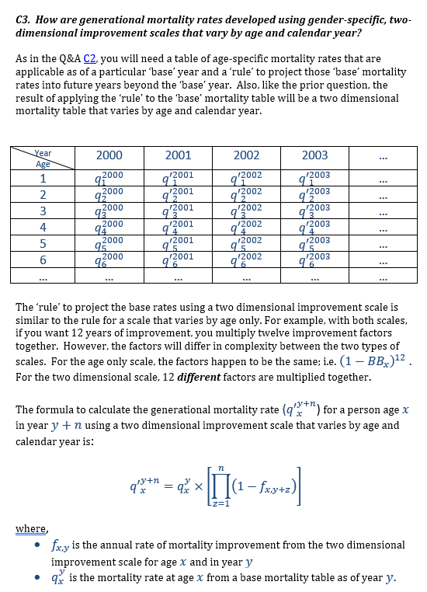
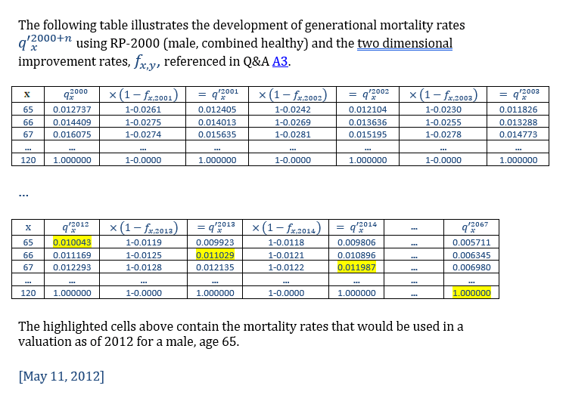
Based on example from Q&A document here: | https://www.soa.org/resources/experience-studies/2012/research-mortality-improve-bb/
 | https://www.soa.org/493814/globalassets/assets/files/research/exp-study/research-mortality-improve-bb-draft-ques.pdf

