Q4
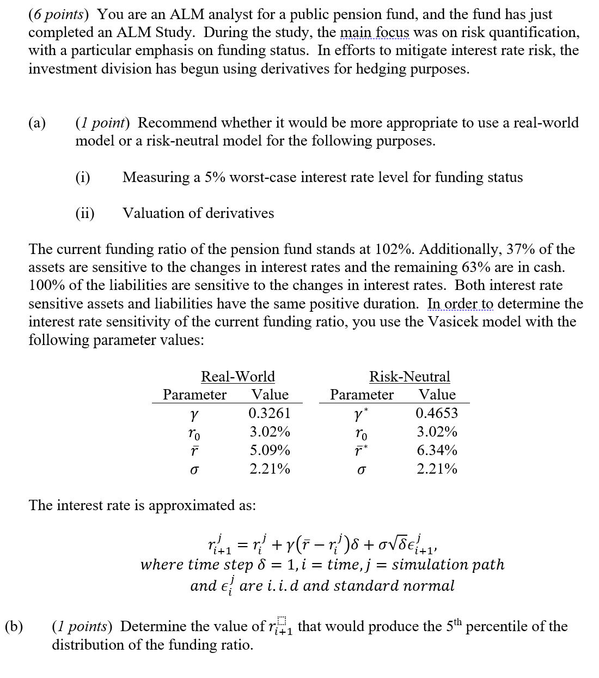
4.

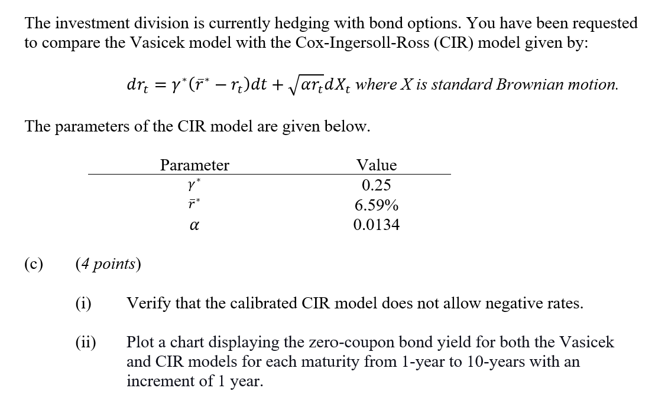

Zero-coupon Yield
 | Fill in your final answers here: (change 3%/4% # with your real answer)
 |  | Year | Zero-coupon yield for Vasicek model |  | Year | Zero-coupon yield for CIR Model
 |  | 1 | 3% |  | 1 | 4%
 |  | 2 | 2% |  | 2 | 3%
 |  | 3 | 3% |  | 3 | 4%
 |  | 4 | 2% |  | 4 | 3%
 |  | 5 | 3% |  | 5 | 4%
 |  | 6 | 2% |  | 6 | 3%
 |  | 7 | 3% |  | 7 | 4%
 |  | 8 | 2% |  | 8 | 3%
 |  | 9 | 3% |  | 9 | 4%
 |  | 10 | 2% |  | 10 | 3%

 | Show your work here:

 | Vasicek Parameters |  |  |  | Time (year) | A(t,T) | B(t,T) | Z(0,T) | Yield
 | r_0 | 3.02% |  |  | 0
 | γ | 0.3261 |  |  | 1
 | r_bar | 5.09% |  |  | 2
 | γ* | 0.4653 |  |  | 3
 | r_bar* | 6.34% |  |  | 4
 | σ | 2.21% |  |  | 5
 | T_O | 1 |  |  | 6
 | T_B | 10 |  |  | 7
 | K | 64.06 |  |  | 8
 |  |  |  |  | 9
 |  |  |  |  | 10

 | CIR Parameters |  |  |  | Time (year) | A(t,T) | B(t,T) | Z(0,T) | Yield
 |  |  |  |  | 0
 |  |  |  |  | 1
 |  |  |  |  | 2
 | γ* | 0.25 |  |  | 3
 | r_bar* | 6.59% |  |  | 4
 | α | 0.0134 |  |  | 5
 |  |  |  |  | 6
 |  |  |  |  | 7
 |  |  |  |  | 8
 |  |  |  |  | 9
 |  |  |  |  | 10

 | Fill in your final answers here:
 | Value of the Call option with strike 64.06
 | Value of the put option with strike 64.06
 | Show your work here:

 |  |  |  | t | T | A(t,T) | B(t,T) | Z(0,T) | Z(t,T) | S_Z(T_O) | d1 | d2 | N(d1) | N(d2) | N(-d1) | N(-d2) | Call | Put
 |  |  |  | 1 | 10

Q8
8.
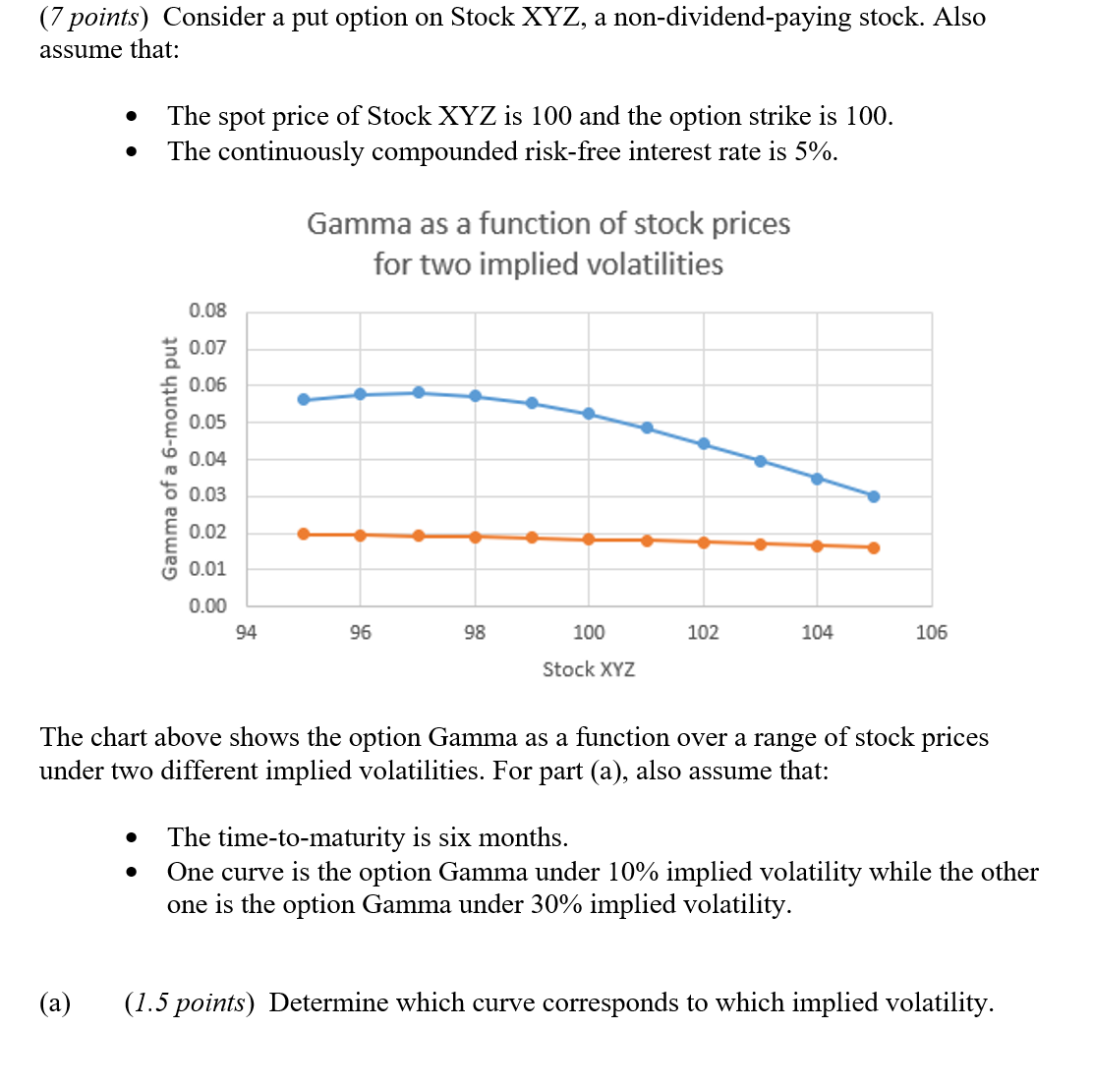

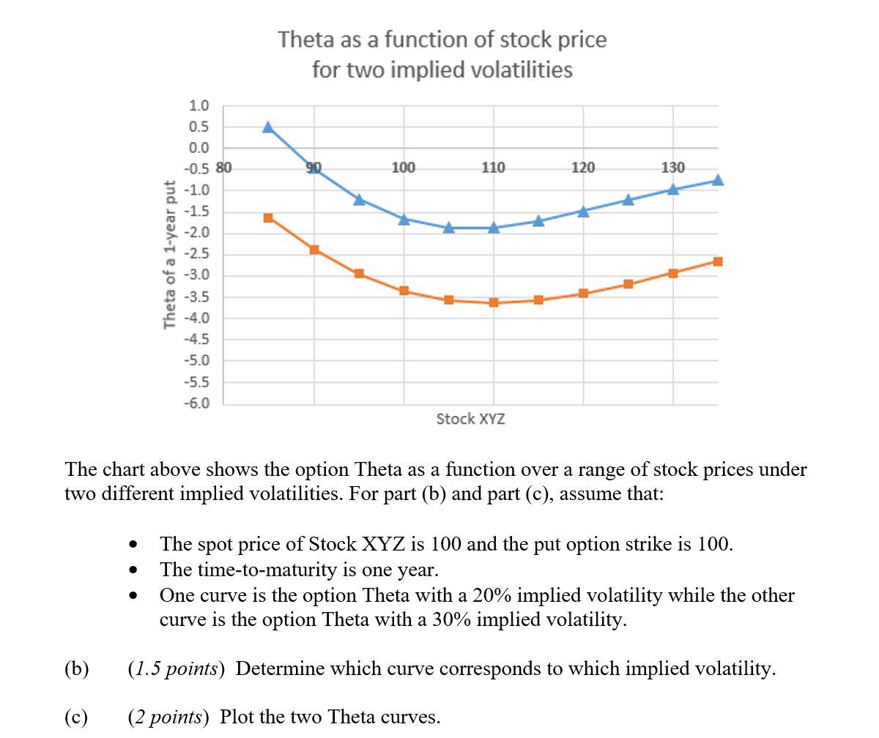

Vega as a function of Time-to-Maturity
 | Fill in your final answers here: (change -0.8, -1.0, -1.2 with your real answer.)
 | Populate the highlighted range below:
 | Stock | Theta (vol=20%) |  | Theta (vol=30%)
 | 85 | -1.0000 |  | -0.8000
 | 90 | -1.2000 |  | -1.0000
 | 95 | -1.0000 |  | -0.8000
 | 100 | -1.2000 |  | -1.0000
 | 105 | -1.0000 |  | -0.8000
 | 110 | -1.2000 |  | -1.0000
 | 115 | -1.0000 |  | -0.8000
 | 120 | -1.2000 |  | -1.0000
 | 125 | -1.0000 |  | -0.8000
 | 130 | -1.2000 |  | -1.0000
 | 135 | -1.0000 |  | -0.8000
 | 140 | -1.2000 |  | -1.0000

 | Show your work here:
 |  |  |  |  |  | Implied Vol1 | 20%
 | Stock (S) |  | 100 |  |  | Stock
 | Strike (K) |  | 100 |  |  | 85
 | Interest Rate (r ) |  | 0.05 |  |  | 90
 | Dividend (d) |  | 0.00 |  |  | 95
 | Maturity (T) |  | 1.0 |  |  | 100
 |  |  |  |  |  | 105
 | Implied Vol1 |  | 20% |  |  | 110
 | Implied Vol2 |  | 30% |  |  | 115
 |  |  |  |  |  | 120
 |  |  |  |  |  | 125
 |  |  |  |  |  | 130
 |  |  |  |  |  | 135
 |  |  |  |  |  | 140

 |  |  |  |  |  | Implied Vol2 | 30%
 |  |  |  |  |  | Stock
 |  |  |  |  |  | 85
 |  |  |  |  |  | 90
 |  |  |  |  |  | 95
 |  |  |  |  |  | 100
 |  |  |  |  |  | 105
 |  |  |  |  |  | 110
 |  |  |  |  |  | 115
 |  |  |  |  |  | 120
 |  |  |  |  |  | 125
 |  |  |  |  |  | 130
 |  |  |  |  |  | 135
 |  |  |  |  |  | 140

 |  | 145 | -1.3000 | -2.1500

 | Fill in your final answers here: (Change -20.0, -25.0 with your real answer.)
 | Populate the highlighted range below:
 | Stock | Rho (r1=0.05) |  | Rho (r2=0.07)
Rho as a function of stock price for two interest rates
 | 90 | -20.00 |  | -25.00
 | 95 | -20.00 |  | -25.00
 | 100 | -20.00 |  | -25.00
 | 105 | -20.00 |  | -25.00
 | 110 | -20.00 |  | -25.00
 | 115 | -20.00 |  | -25.00
 | 120 | -20.00 |  | -25.00
 | 125 | -20.00 |  | -25.00
 | 130 | -20.00 |  | -25.00
 | 135 | -20.00 |  | -25.00

 | Show your work here:

 |  |  |  | Stock | Rho (r1=0.05)
 | Stock (S) | 100 |  | 90
 | Strike (K) | 100 |  | 95
 | Dividend (d) | 0.0 |  | 100
 | Time to maturity (T) | 1.0 |  | 105
 | Risk Free Rate 1 (r1) | 0.03 |  | 110
 | Risk Free Rate 2 (r2) | 0.10 |  | 115
 | Implied Vol | 0.2 |  | 120
 |  |  |  | 125
 |  |  |  | 130
 |  |  |  | 135

 |  |  |  | Stock | Rho (r2=0.07)
 |  |  |  | 90
 |  |  |  | 95
 |  |  |  | 100
 |  |  |  | 105
 |  |  |  | 110
 |  |  |  | 115
 |  |  |  | 120
 |  |  |  | 125
 |  |  |  | 130
 |  |  |  | 135

Q9
9.
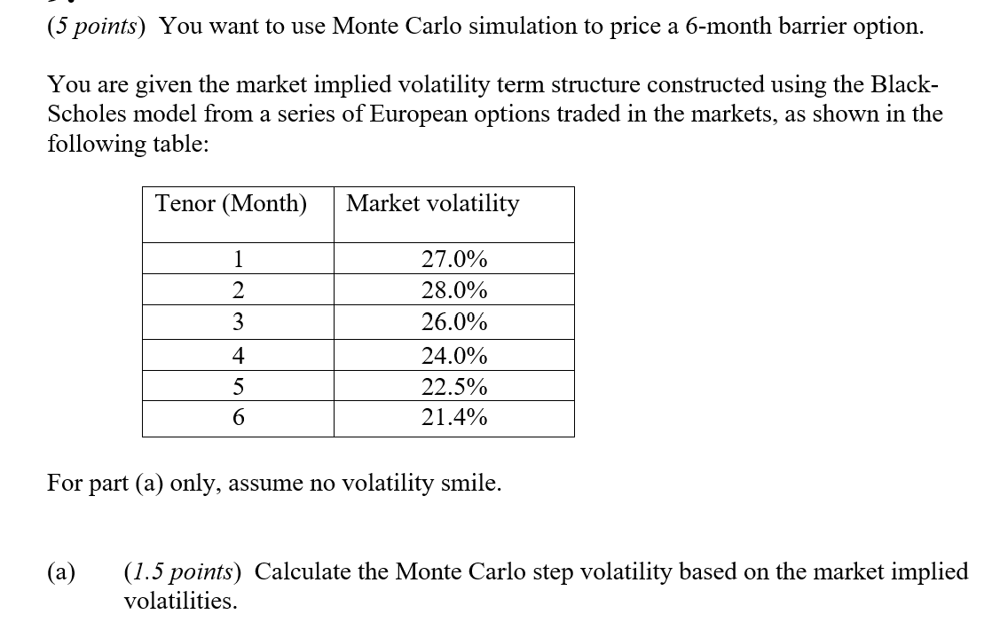

 | Fill in your final answers here: (change 23%, 25% with your real answer.)

Monte Carlo Step Vol
 | Volatility term structure
 | Tenor (Month) | Market volatility | Monte Carlo Step Vol
 | 1 | 27.0% | 25.0%
 | 2 | 28.0% | 23.0%
 | 3 | 26.0% | 25.0%
 | 4 | 24.0% | 23.0%
 | 5 | 22.5% | 25.0%
 | 6 | 21.4% | 23.0%

 | Show your work here:

Q11
11.
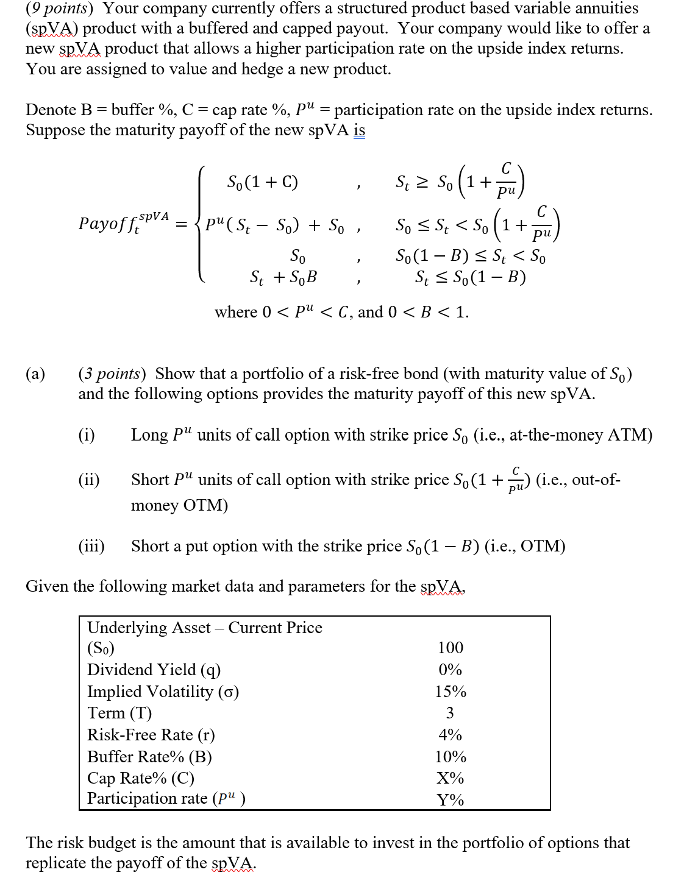

 | Fill in your final answers here:
 | Risk budget

 | Show your work here:

 | Fill in your final answers here:
 | Option 1 | 5.0169806063 | <--Link to L107
 | Option 2 | -5.0169806063 | <--Link to L117
 | Option 3 | -3.0368479369 | <--Link to L127

 |  | Price of Option Portfolio | Participation Rate
 |  | -3.04 | 100% | 110% | 125% | PLEASE READ THIS FIRST
 | Cap Rate | 17% | (3.04) | (3.04) | (3.04) | This table is "what-if" table where two inputs are Cap Rate (D97) and Parcipation rate (D98)
 | Cap Rate | 26% | (3.04) | (3.04) | (3.04) | Results of SpVA Option Value (C80) which is sum of (C74,C75, C76) will be automatically populated for all combinations of
 | Cap Rate | 35% | (3.04) | (3.04) | (3.04) | Cap Rate and Participation rate.
 | Cap Rate | 44% | (3.04) | (3.04) | (3.04) | Candidate first modify Blackscholes parameter (mainly Strike) to reflect the embedded options of spVA.
 | Cap Rate | 53% | (3.04) | (3.04) | (3.04) | Then, candidate is required to write formula for opiton 1, 2, 3 (L107, L117, L 127) with correct sign for Long/Short
 | Cap Rate | 62% | (3.04) | (3.04) | (3.04) | position and this data table would be correctly populated for all these combination.

 | Show your work here:

 | spVA
 | Underlying Asset – Current Price (S0) |  | 100 |  |  |  |  |  |  | Input
 | Dividend Yield (q) |  | 0% |  |  |  |  |  |  | Calculated Result
 | Implied Volatility (σ) |  | 15%
 | Term (T) |  | 3
 | Risk-Free Rate (r) |  | 4%
 | Buffer Rate% (B) |  | 10%
 | Cap Rate% (C) |  | 35%
 | Participation rate ( ) |  | 110%

 | Black Scholes Formula for Option 1
 | S | 100 |  | d1 | 0.25 | N(d1) | 0.59870632568 | N'(d1) | 0.3866681168
 | K | 100 |  | d2 | 0.15 | N(d2) | 0.55961769237 | N'(d2) | 0.39447933091
 | T | 1 |  | -d1 | -0.25 | N(-d1) | 0.40129367432 | N'(-d1) | 0.3866681168
 | r | 2% |  | -d2 | -0.15 | N(-d2) | 0.44038230763 | N'(-d2) | 0.39447933091
 | q | 0%
 | σ | 10% |  | Call | 5.0169806063 | Put | 3.0368479369 | Option 1 | 5.0169806063 | <-- Choose Call or Put / Long or Short

 | Black Scholes Formula for Option 2
 | S | 100 |  | d1 | 0.25 | N(d1) | 0.59870632568 | N'(d1) | 0.3866681168
 | K | 100 |  | d2 | 0.15 | N(d2) | 0.55961769237 | N'(d2) | 0.39447933091
 | T | 1 |  | -d1 | -0.25 | N(-d1) | 0.40129367432 | N'(-d1) | 0.3866681168
 | r | 2% |  | -d2 | -0.15 | N(-d2) | 0.44038230763 | N'(-d2) | 0.39447933091
 | q | 0%
 | σ | 10% |  | Call | 5.0169806063 | Put | 3.0368479369 | Option 2 | -5.0169806063 | <-- Choose Call or Put / Long or Short

 | Black Scholes Formula for Option 3
 | S | 100 |  | d1 | 0.25 | N(d1) | 0.59870632568 | N'(d1) | 0.3866681168
 | K | 100 |  | d2 | 0.15 | N(d2) | 0.55961769237 | N'(d2) | 0.39447933091
 | T | 1 |  | -d1 | -0.25 | N(-d1) | 0.40129367432 | N'(-d1) | 0.3866681168
 | r | 2% |  | -d2 | -0.15 | N(-d2) | 0.44038230763 | N'(-d2) | 0.39447933091
 | q | 0%
 | σ | 10% |  | Call | 5.0169806063 | Put | 3.0368479369 | Option 3 | -3.0368479369 | <-- Choose Call or Put / Long or Short

 | Fill in your final answers here:
 | Cap Rate

 | Show your work here:

 | Fill in your final answers here:

